Sheet1
title | Learning Transferable Visual Models From Natural Language Supervision
author | Alec Radford * 1 Jong Wook Kim * 1 Chris Hallacy 1 Aditya Ramesh 1 Gabriel Goh 1 Sandhini Agarwal 1 Girish Sastry 1 Amanda Askell 1 Pamela Mishkin 1 Jack Clark 1 Gretchen Krueger 1 Ilya Sutskever 1
abstract | contrastive pre-training | positive sam. | diagonal elements
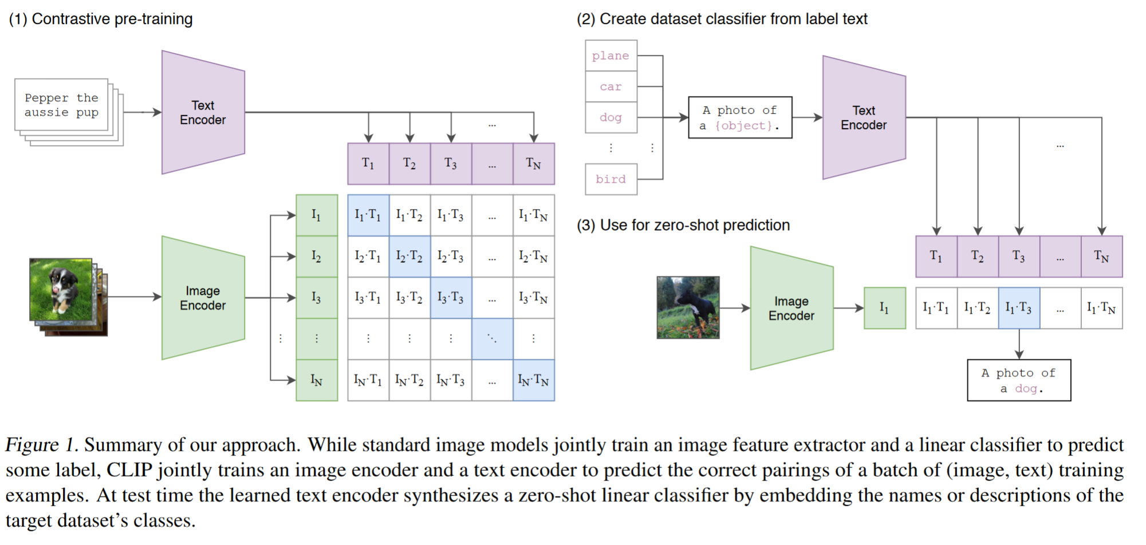
 |  | negative sam. | others
 | propt template
 | CLIP performs better or the same level than some supervised model in many fields
 | no. of dataset | 0.4b
introduction | self-supervised | autoregressive
 |  | masked language modeling
 | NLP | So far, GPT-3 performs better than some supervised/self-supervised models
 | CV | So far, still standard pratice to pre-train models on crowd-labeled datasets
 | transformer-based | VirTex | AR prediction pretraining
 | (can not zero-shot) | ICMLM | masked cloze pre-training
 |  | ConVIRT | like CLIP, but only do on the medical image dataset
 | difference between the weakly supervised models and recent explorations of learning image represtations direly from natural language is scale
approach | Natural Language Supervision | at the core of our approach is the idea of learning perception from supervision contained in natural language
 |  | development of NLP | topic model and n-gram representations -> deep contextual representations
 |  | advantages of image-text features | no need to label the dataset, only need to download the image-text pairs; text is a supervised signal rather a 1-of -N majority labels
 |  |  | the learned information is a mixed multimodal features (image and text)
 | Creating a Sufficiently Large Dataset | some small image-text dataset | MS-COCO | small scale
 |  |  | Visual Genome | small scale
 |  |  | YFCC100M | poor quality
 |  | collected by author team | WebImageText | large scale and good quality
 | Selecting an Efficient Pre-Training Method | architectures of network | image | CNN
 |  |  | text | transformer
 |  | swapped the predictive objective for a contrastive objective, 4x efficiency improvement in the rate of zero-shot tansfoer to ImageNet
 |  | goal (constractive target) | judge whether the image matching the text
 | Choosing and Scaling a Model | the large scale of dataset can avoid overfitting
 |  | the text and image encoders need no pre-training
 |  | do not applying non-linear projection between the representation and the contrastive embedding space
 |  | non-linear projection may be co-adapted with details of current image only in self-supervised represtentation learning methods
 |  | only apply the random crop to data augmentation
 |  | apply tau as a scalar which can be learnt
experiments | prompt engineering and ensenbling | a commeon issue is polysemy
 | evaluate the quality of representations | linearprob | Fitting a linear classifier on a representation extracted from the model and measuring its performance on various datasets is a common approach.
 |  | fine-tuning | An alternative is measuring the performance of end-to-end fine-tuning of the model.
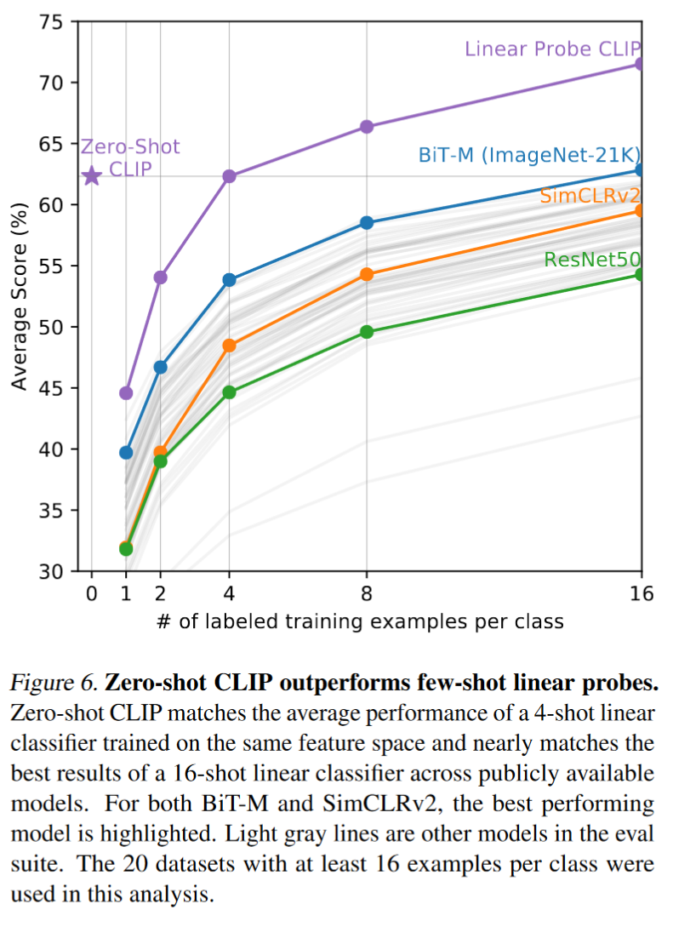
 |  |  | This increases flexibility, and prior work has convincingly demonstrated that fine-tuning outperforms linear classification on most image classification datasets.
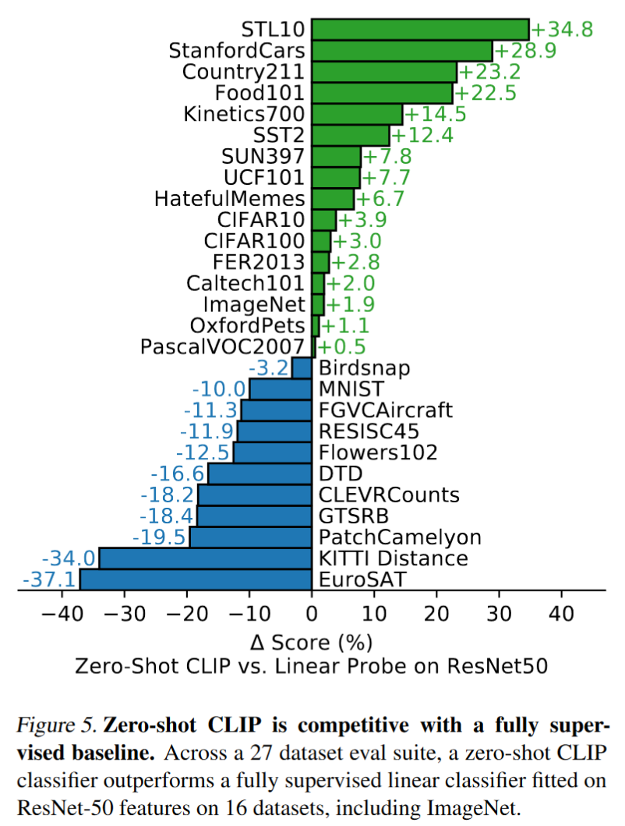
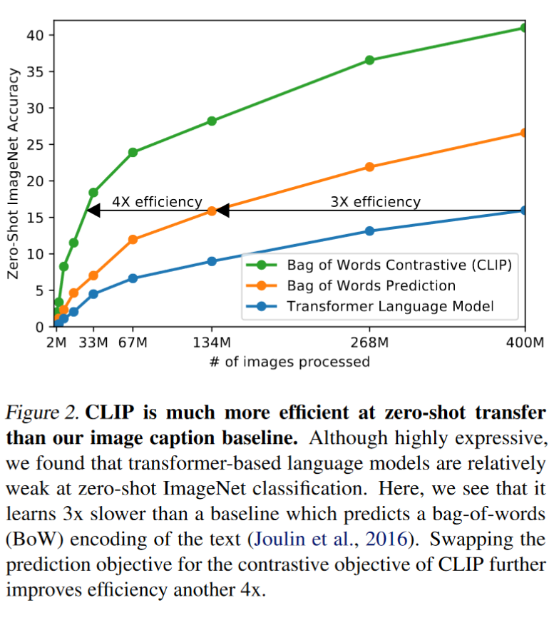
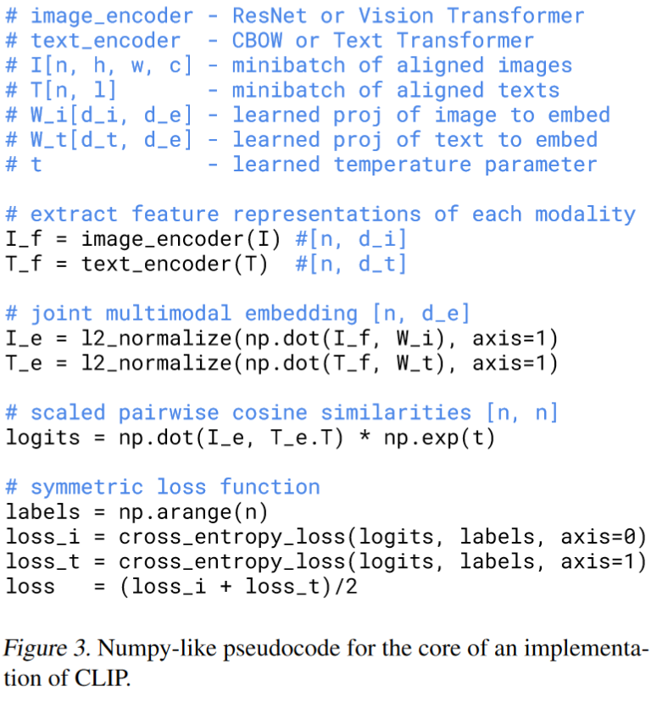

limitations | MNIST is one of out-of-distribution dataset
 | not very effectively
 | to reduce the scale of dataset, there are many kind of methods, such as data augmentation, self-supervised, self-training and so on
 | some test data is not very "fair"
 | CLIP models learning some social biases

